Script
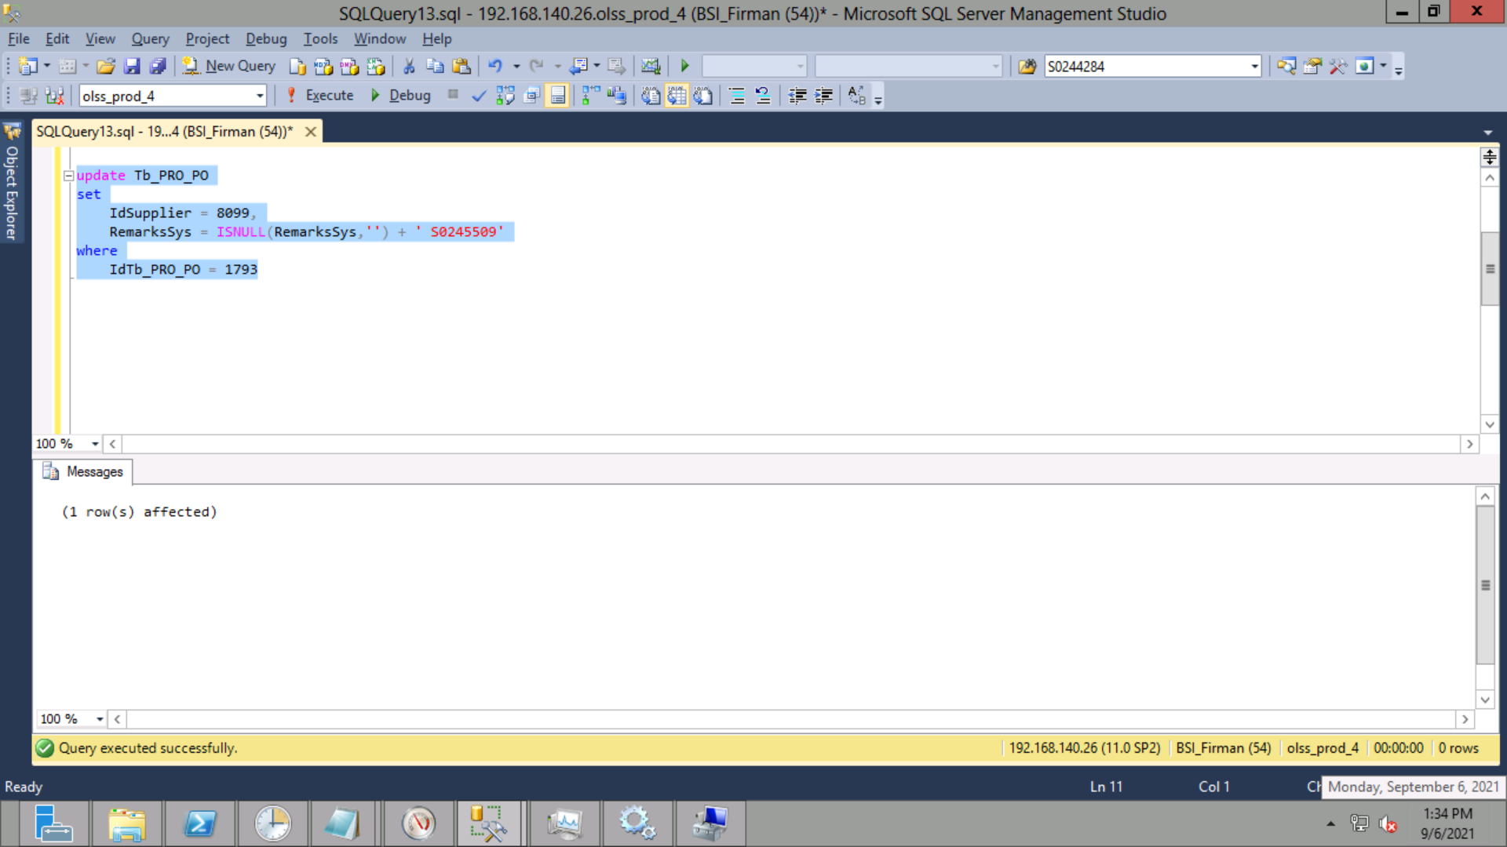
update Tb_PRO_PO
set
 | IdSupplier = 8099,
 | RemarksSys = ISNULL(RemarksSys,'') + ' S0245509'
where
 | IdTb_PRO_PO = 1793

Screenshot
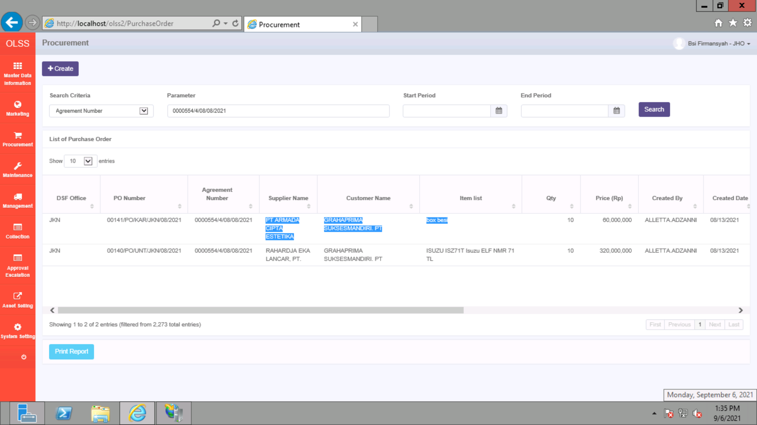
BEFORE
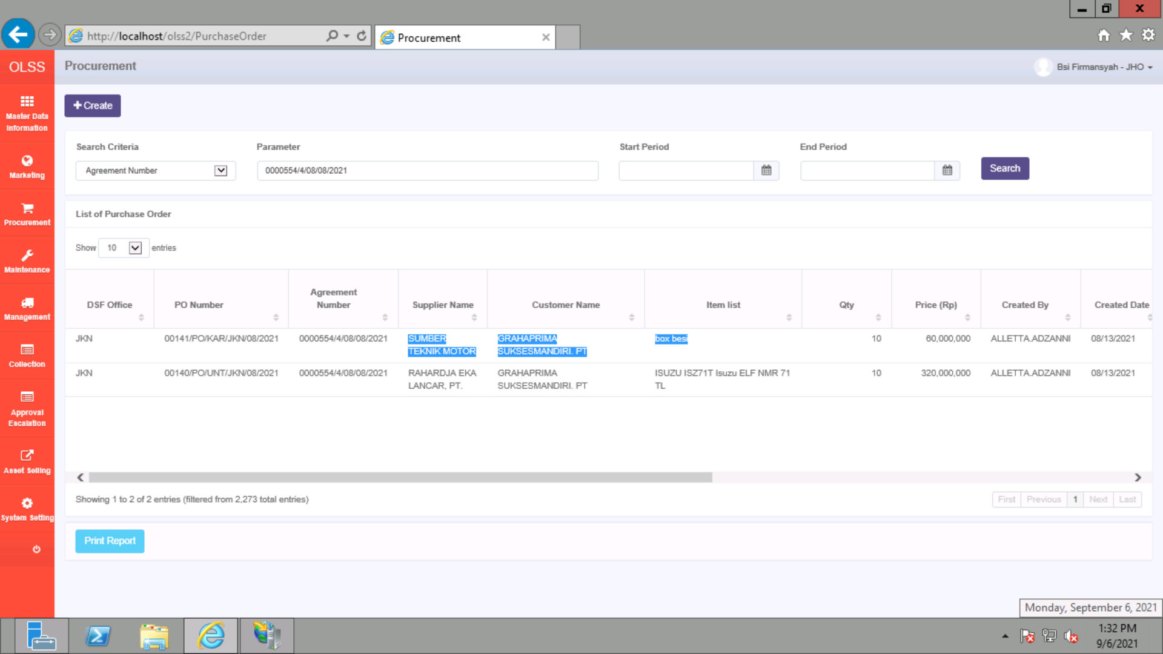

AFTER

